Sheet1
Worksheet Number 2

Try to link the signs with the description
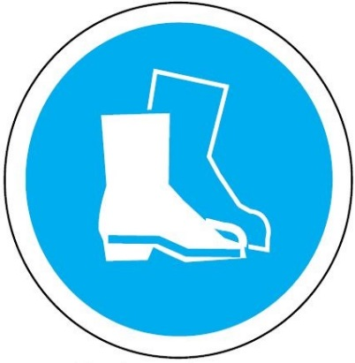

Eye protection Must be worn.


Safety helmet must be worn


Safety boots must be worn



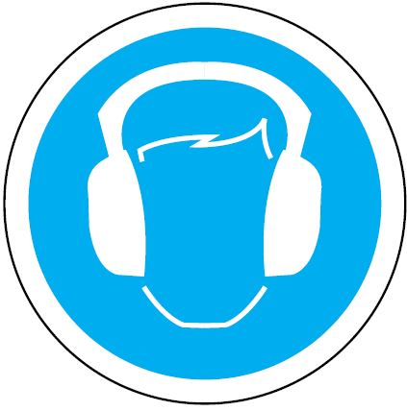

Safety gloves must be worn

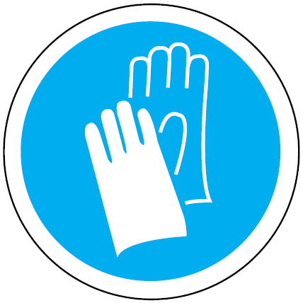
Safety overalls must be worn

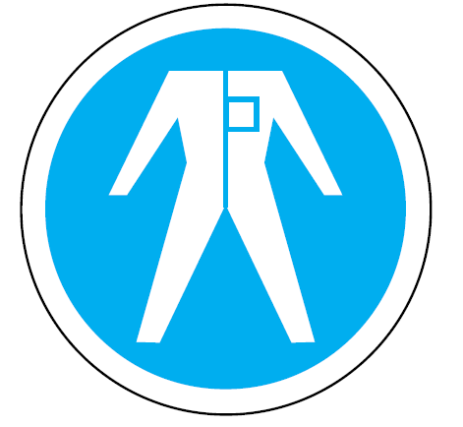

Ear protection must be worn

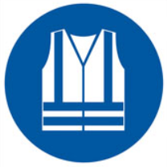
Hi visibility vest must be worn

